Sheet1
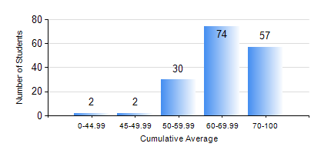
 |  |  | KWAME NKRUMAH UNIVERSITY OF SCIENCE AND TECHNOLOGY, KUMASI Department of Mechanical Engineering

 |  |  | BSC. MECHANICAL ENG.

 |  |  | COMPREHENSIVE RECORD OF EXAMINATION RESULTS

 |  |  | RESULTS OF YEAR 1 SECOND SEMESTER, 2019/2020 ACADEMIC YEAR

 | Sn | Course Code |  | Course Name | Credit Hours | Min. Mark | Max. Mark | Avg. Mark | Std. Dev. | No. Passed | No. Trailed | No. (Df) | No. (I) | No. (I*) | No. Tagged(I,I*,Df) | Total
 | 0. |  |  |  |  |  |  | 0 | 0 | 0 | 0 | 0 | 0 | 0 | 0 | 1
 | 1. | EE 152 |  | BASIC ELECTRONICS | 2 | 40 | 95 | 69 | 14.31 | 161 | 0 | 0 | 3 | 0 | 3 | 164
 | 2. | ENGL 158 |  | COMMUNICATION SKILLS II | 2 | 50 | 88 | 64 | 7.79 | 153 | 0 | 0 | 11 | 0 | 11 | 164
 | 3. | MATH 152 |  | CALCULUS WITH ANALYSIS | 4 | 41 | 96 | 75 | 11.56 | 158 | 0 | 0 | 6 | 0 | 6 | 164
 | 4. | ME 160 |  | ENGINEERING DRAWING | 3 | 46 | 92 | 68 | 10.61 | 160 | 0 | 0 | 4 | 0 | 4 | 164
 | 5. | ME 164 |  | STATICS OF SOLID MECHANICS | 2 | 40 | 93 | 68 | 15.12 | 158 | 0 | 0 | 6 | 0 | 6 | 164
 | 6. | ME 168 |  | COMPUTER PROGRAMMING FOR ENGINEERS | 2 | 60 | 90 | 76 | 7.05 | 160 | 0 | 0 | 4 | 0 | 4 | 164
 | 7. | ME 174 |  | FIRST YEAR DESIGN PROJECT | 2 | 56 | 87 | 74 | 6.87 | 161 | 0 | 0 | 3 | 0 | 3 | 164

